Bug_Report
Requirement ID | Test case ID | Defect_ID | Defect Title/Issue | Pre-condition | (Test-case) | Test Data | Expected Result | Actual Result | Attachment | Priority | Probability | Severity | Categorization | Defect Status
REQ_AMOUNT_003 | TC_003 | Bug_AMOUNT_REQ_003 | system accepts a negative integer input to diff account during transfer fund process | user has two different accounts | 1. Enter a negative integer 2. Submit the form | 1. amount : -50 2. choose from/to different accounts | System rejects the proccess and displayes an error message | System Accepts the transfer and displays the transfer being complete |  | HIGH | HIGH | HIGH | HIGH | Not Solved
REQ_AMOUNT_005 | TC_005 | Bug_AMOUNT_REQ_005 | system accepts a positive integer input to the same account during transfer fund process | user has an account | 1. Enter a positive integer input 2. choose transfer from and to the same account |  | System rejects the proccess and displayes an error message | System Accepts the transfer and displays the transfer being complete |  | HIGH | HIGH | HIGH | HIGH | Not Solved
RegForm_Req_005 | RegForm_TC_005 | BUG_REG_001 | "State field required although marked optional" | 1. Open the Parabank Registration page | 1. Open the Parabank Registration page 2. Leave the "State" field blank 3. Fill valid data in all other fields 4. Click "Register" | First Name: "John" Last Name: "Smith" Address: "123 Main St" City: "New York City" State: " " Zip: "12345" Phone: "1234567890" SSN: "123456789" Username: "johncity" Password: "Test@1234" Confirm: "Test@1234" | Registration should complete successfully without requiring State | Error: State is required | 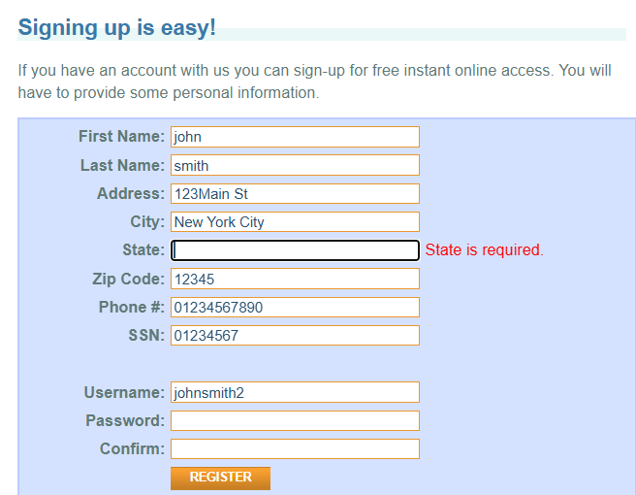 | High | Medium | Medium | Functional / UI Validation | Open
RegForm_Req_006 | RegForm_TC_006 | BUG_REG_002 | Zip field accepts < 5 digits | 1. Open the Parabank Registration page | 1. Open Registration Page 2. Enter 4-digit Zip 3. Fill valid data 4. Click "Register" | First Name: "John" Last Name: "Smith" Address: "123 Main St" City: "New York City" State: "NY" Zip: "1234" Phone: "1234567890" SSN: "123456789" Username: "johncity" Password: "Test@1234" Confirm: "Test@1234" | Error: "Zip must be 5–10 digits" | Registration successful |  | High | High | Medium | Functional / UI Validation | Open
RegForm_Req_007 | RegForm_TC_007 | BUG_REG_003 | Phone accepts 10–15 digits only | 1. Open the Parabank Registration page | 1. Open the Parabank Registration page 2. Enter an 8-digit number in the "Phone" field 3. Enter valid data in all other fields 4. Click "Register" | First Name: "John" Last Name: "Smith" Address: "123 Main St" City: "New York City" State: "NY" Zip: "1234" Phone: "1234567" SSN: "123456789" Username: "johncity" Password: "Test@1234" Confirm: "Test@1234" | Error: "Phone number must be 10–15 digits" | No error message shown, registration went through. |  | High | High | High | Functional / UI Validation | Open
RegForm_Req_008 | RegForm_TC_008 | BUG_REG_004 | Phone code optional, no + sign | 1. Open the Parabank Registration page | 1. Open the Parabank Registration page 2. Enter a phone number starting with plus sign in the "Phone" field (e.g., "+201234567890") 3. Enter valid data in all other fields 4. Click "Register" | First Name: "John" Last Name: "Smith" Address: "123 Main St" City: "New York City" State: "NY" Zip: "1234" Phone: "1234567" SSN: "123456789" Username: "johncity" Password: "Test@1234" Confirm: "Test@1234" | Error: "Phone number must not include country code or +" | No error message shown, registration went through. |  | High | High | High | Functional / UI Validation | Open
RegForm_Req_009 | RegForm_TC_009 | BUG_REG_005 | SSN must be exactly 9 digits | 1. Open the Parabank Registration page | 1. Open the Parabank Registration page 2. Enter 8 digits in the "SSN" field 3. Enter valid data in all other fields 4. Click "Register" | First Name: "John" Last Name: "Smith" Address: "123 Main St" City: "New York City" State: "NY" Zip: "12345" Phone: "123456789" SSN: "12345678" Username: "johncity" Password: "Test@1234" Confirm: "Test@1234" | Error: "SSN must be 9 digits" | No error message shown, registration went through. |  | High | High | High | Functional / UI Validation | Open
RegForm_Req_011 | RegForm_TC_011 | BUG_REG_006 | Password length validation | 1. Open the Parabank Registration page | 1. Open the Parabank Registration page 2. Enter short value in the "Password" and "Confirm" fields ("Abc12") 3. Enter valid data in all other fields 4. Click "Register" | First Name: "John" Last Name: "Smith" Address: "123 Main St" City: "New York City" State: "NY" Zip: "12345" Phone: "123456789" SSN: "123456789" Username: "johnpass" Password: "Abc12" Confirm: "Abc12" | Error: "Password must be at least 8 characters" | No error message shown, registration went through. |  | High | High | High | Functional / UI Validation | Open

